Tasks
A task should be done by only 1-2 students. Duplicate tasks are not recommended Each member should work on at least 5 tasks

No | Student ID | Full name | Task Description | Hours | Evidence (screenshots of chat messages, of Git commits... proving that you perform and finish the task)
1 | 20127124 | Đặng Bảo Châu | Filling in Part 1, 2, 3 project plan document | 4 | https://cadger.atlassian.net/browse/CNPM-5
2 | 20127124 | Đặng Bảo Châu | Use case Lend + Borrow flow | 4 | https://cadger.atlassian.net/browse/CNPM-21
3 | 20127124 | Đặng Bảo Châu | Class diagram: View | 6 | https://cadger.atlassian.net/browse/CNPM-26
4 | 20127124 | Đặng Bảo Châu | Figma homepage | 5 | https://cadger.atlassian.net/browse/CNPM-22
5 | 20127124 | Đặng Bảo Châu | Figma Return an item | 3
6 | 20127124 | Đặng Bảo Châu | UI prototype 1 (Post an item) | 2 | https://cadger.atlassian.net/browse/CNPM-33
7 | 20127124 | Đặng Bảo Châu | Navigation screen import | 2 | 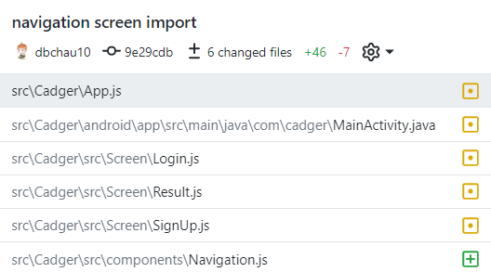
8 | 20127124 | Đặng Bảo Châu | UI Homepage Header | 5 | 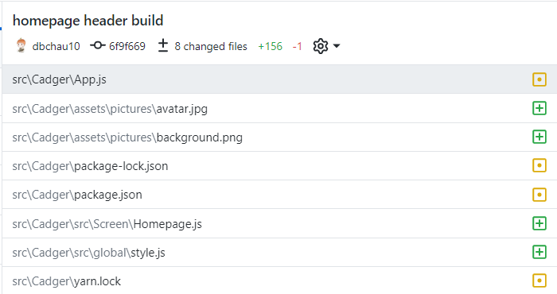
9 | 20127124 | Đặng Bảo Châu | UI Homepage Item List | 4 | 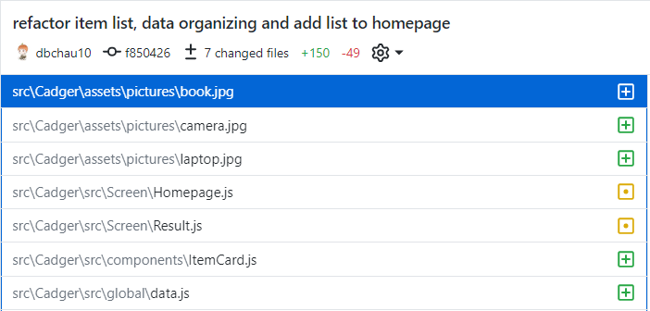
10 | 20127124 | Đặng Bảo Châu | Stack Navigator and Tab Navigator Import (Navbar build) | 10 | 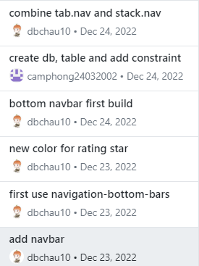
12 | 20127124 | Đặng Bảo Châu | Account Page UI | 13 | 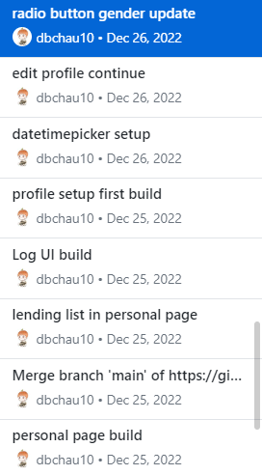
13 | 20127124 | Đặng Bảo Châu | Result Page + Detail Item Page | 7 | 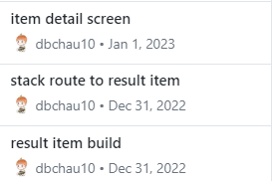
14 | 20127124 | Đặng Bảo Châu | Borrow Request | 5 | 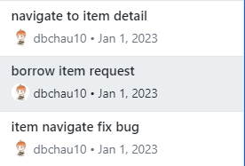
15 | 20127124 | Đặng Bảo Châu | Borrow and Return Request List Tab | 5 | 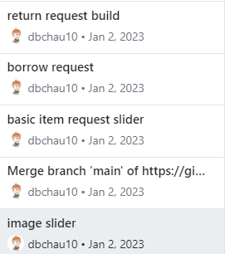
16 | 20127124 | Đặng Bảo Châu | Login and Register Text Input Validate | 1
17 | 20127124 | Đặng Bảo Châu | AuthContext setup | 1
18 | 20127124 | Đặng Bảo Châu | Return and Rating Form Multi Step | 2 | 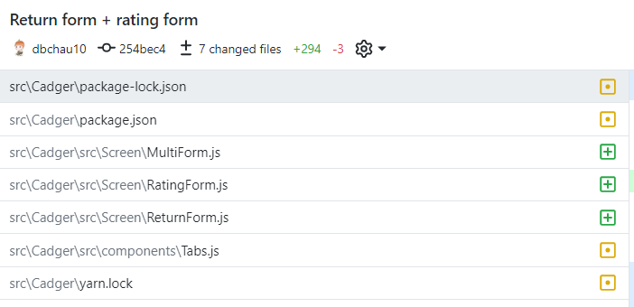
19 | 20127124 | Đặng Bảo Châu | Image Picker for Item Posting | 4 | 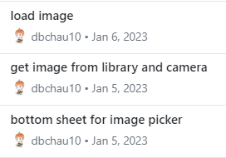
20 | 20127124 | Đặng Bảo Châu | All Borrowing List | 1
21
22 | 20127068 | Hồ Minh Thanh Tài | Summarize project plan document | 7 | 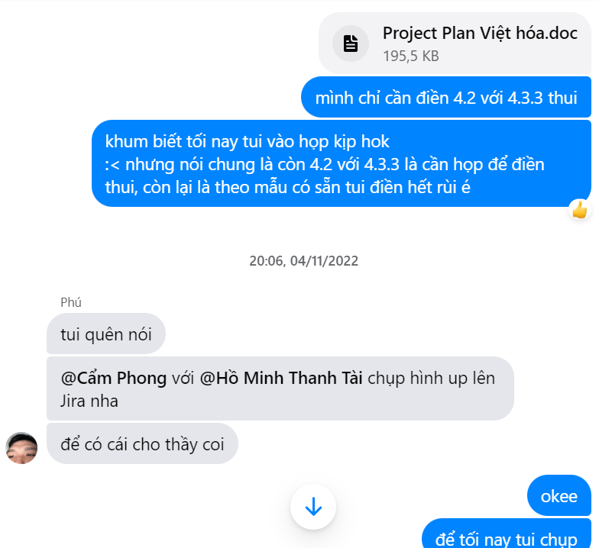
23 | 20127068 | Hồ Minh Thanh Tài | Part 4 project plan document | 1 | 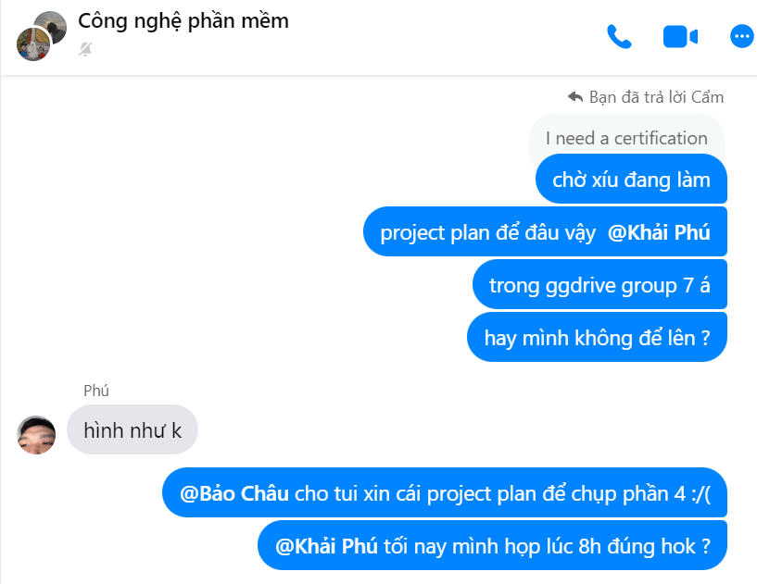
24 | 20127068 | Hồ Minh Thanh Tài | Use case Forget password | 3 | 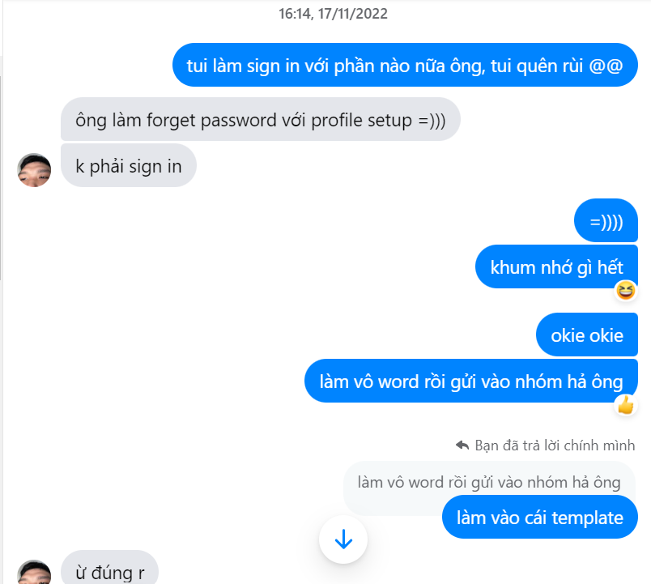
25 | 20127068 | Hồ Minh Thanh Tài | Implementation View | 3 | 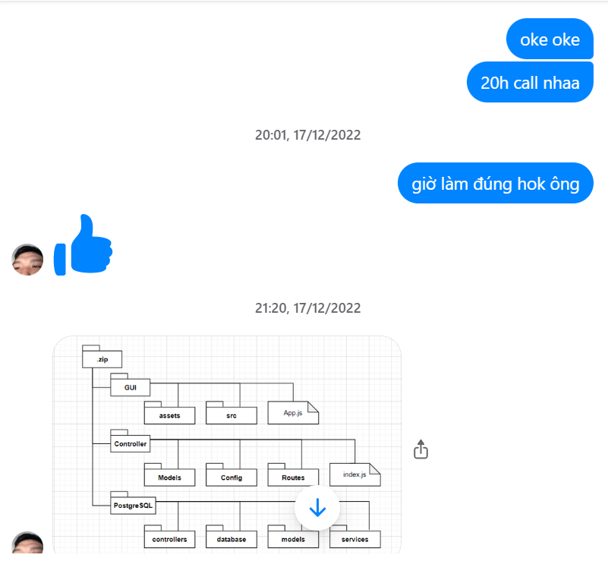
26 | 20127068 | Hồ Minh Thanh Tài | Use case Profile setup | 3 | 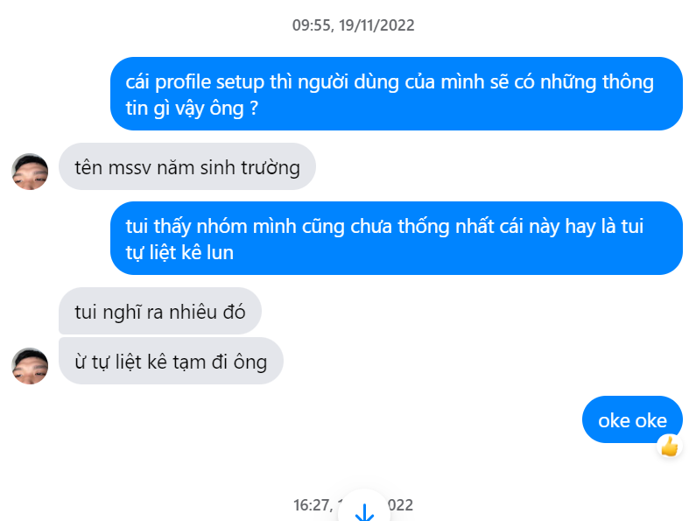
27 | 20127068 | Hồ Minh Thanh Tài | UI prototype for Admin screens | 12 | 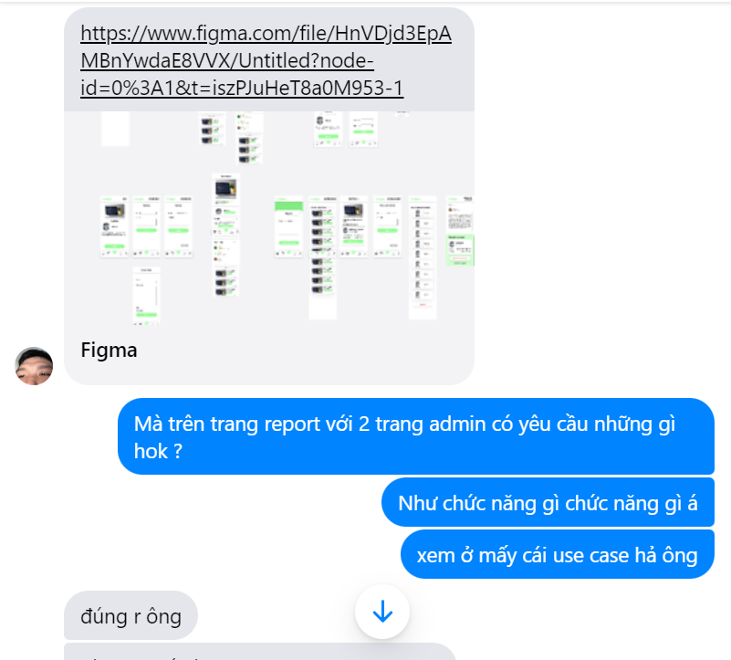
28 | 20127068 | Hồ Minh Thanh Tài | UI prototype for Lender screens | 12 | 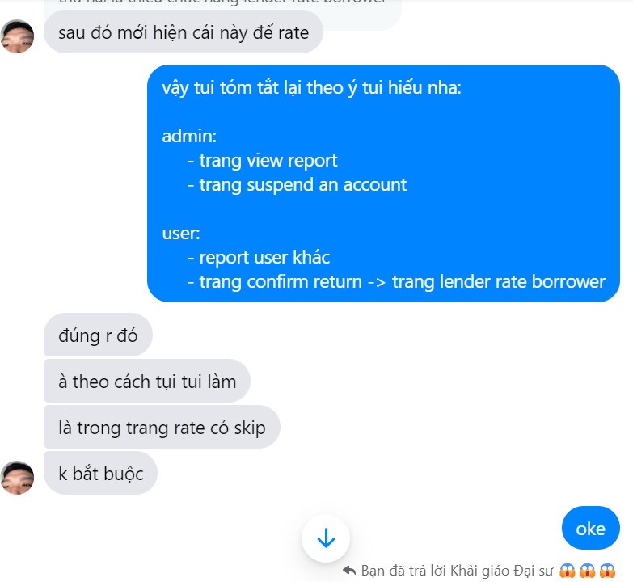
29 | 20127068 | Hồ Minh Thanh Tài | Presentation Slides | 4 | 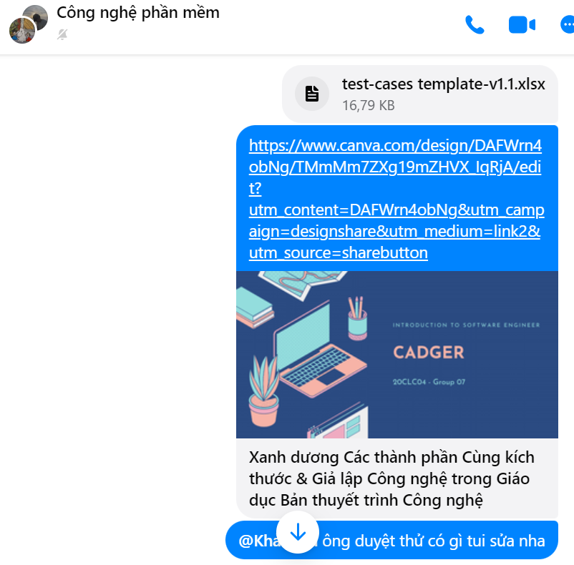
30 | 20127068 | Hồ Minh Thanh Tài | Weekly reports PA5 | 1 | 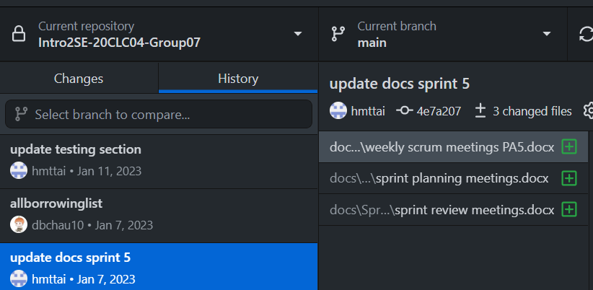
31 | 20127068 | Hồ Minh Thanh Tài | Test case document | 10 | 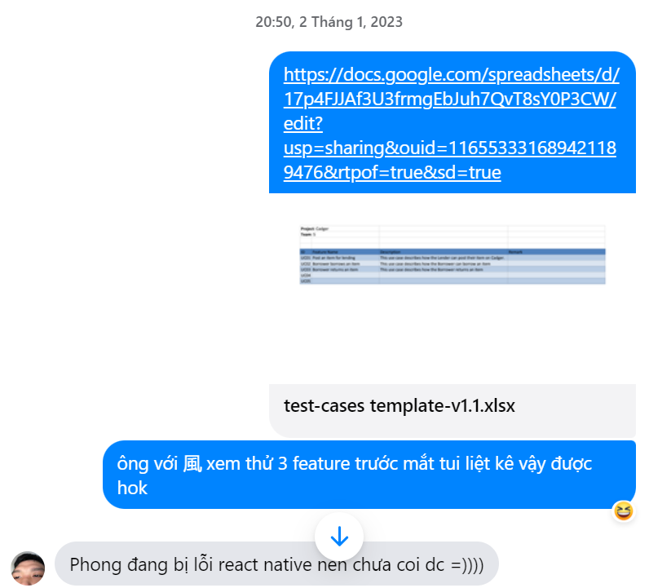
32 | 20127068 | Hồ Minh Thanh Tài | Update vision document for final submission | 2 | https://cadger.atlassian.net/browse/CNPM-74
33 | 20127068 | Hồ Minh Thanh Tài | Update use case document | 2 | https://cadger.atlassian.net/browse/CNPM-32
34 | 20127062 | Nguyễn Khải Phú | Filling in Part 3, 5, 6 vision document | 7 | https://cadger.atlassian.net/browse/CNPM-7
35 | 20127062 | Nguyễn Khải Phú | Weekly reports PA1 | 1 | https://cadger.atlassian.net/browse/CNPM-18
36 | 20127062 | Nguyễn Khải Phú | Use case model | 10 | https://cadger.atlassian.net/browse/CNPM-24
37 | 20127062 | Nguyễn Khải Phú | Weekly reports PA2 | 1 | https://cadger.atlassian.net/browse/CNPM-24
38 | 20127062 | Nguyễn Khải Phú | Deployment Diagram | 10 | https://cadger.atlassian.net/browse/CNPM-25
39 | 20127062 | Nguyễn Khải Phú | Class diagram: controller | 10 | https://cadger.atlassian.net/browse/CNPM-29
40 | 20127062 | Nguyễn Khải Phú | Weekly reports PA3 | 1 | https://cadger.atlassian.net/browse/CNPM-31
41 | 20127062 | Nguyễn Khải Phú | UI prototype 3: Return an item | 7 | https://cadger.atlassian.net/browse/CNPM-36
42 | 20127062 | Nguyễn Khải Phú | Weekly reports PA4 | 1 | https://cadger.atlassian.net/browse/CNPM-37
43 | 20127062 | Nguyễn Khải Phú | Use case Administration | 2 | https://cadger.atlassian.net/browse/CNPM-63
44 | 20127062 | Nguyễn Khải Phú | Backend code for low priority function | 10 | 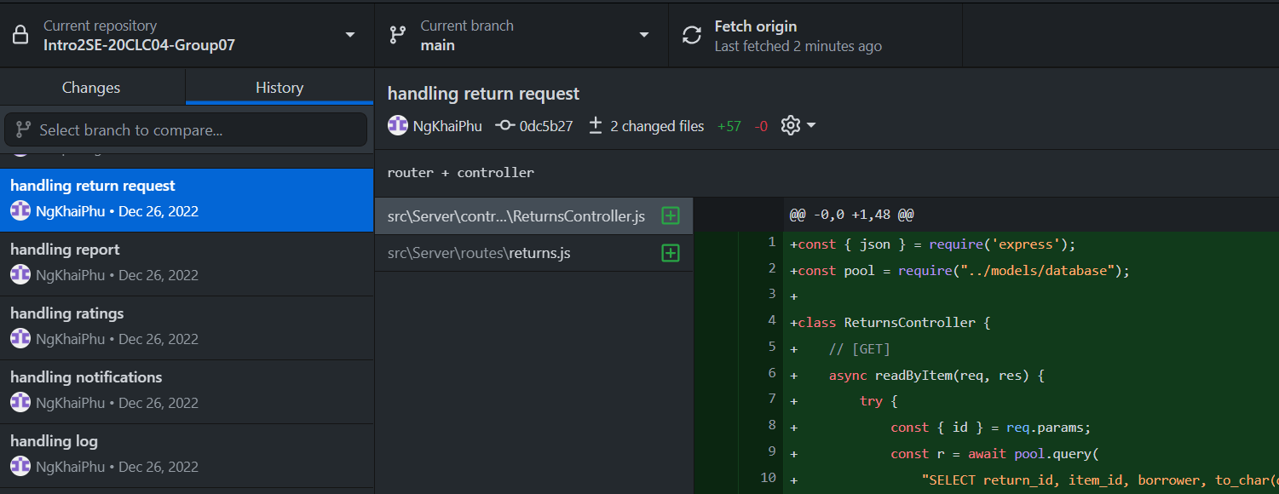
45 | 20127045 | Võ Đình Khôi | Filling in Part 1, 2 vision document | 2 | https://cadger.atlassian.net/browse/CNPM-14
46 | 20127045 | Võ Đình Khôi | Fix PA1 | 1 | https://cadger.atlassian.net/browse/CNPM-16
47 | 20127045 | Võ Đình Khôi | Architecture | 3 | https://cadger.atlassian.net/browse/CNPM-28
48 | 20127045 | Võ Đình Khôi | Finish UI file | 3 | https://cadger.atlassian.net/browse/CNPM-40
49 | 20127045 | Võ Đình Khôi | UI prototype for Return Item screens | 3 | https://cadger.atlassian.net/browse/CNPM-61
50 | 20127045 | Võ Đình Khôi | Execute tests | 5 | https://cadger.atlassian.net/browse/CNPM-61
51 | 20127045 | Võ Đình Khôi | PA5 document | 3 | https://cadger.atlassian.net/browse/CNPM-62
52 | 20127045 | Võ Đình Khôi | Backend code for email verification | 10 | 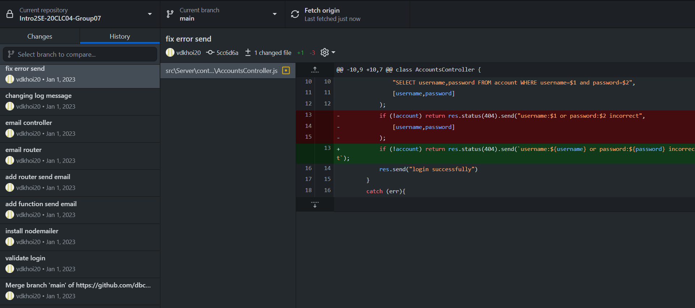
53 | 20127045 | Võ Đình Khôi | Backend code for login authentication | 10 | https://cadger.atlassian.net/browse/CNPM-68
54 | 20127045 | Võ Đình Khôi | Report test case | 7 | https://cadger.atlassian.net/browse/CNPM-73
55 | 20127045 | Võ Đình Khôi | Update SAD | 2
56 | 20127406 | Thái Cẩm Phong | Summarize vision document | 2 | https://cadger.atlassian.net/browse/CNPM-2
57 | 20127406 | Thái Cẩm Phong | Filling in Part 4 vision documents | 1 | https://cadger.atlassian.net/browse/CNPM-6
58 | 20127406 | Thái Cẩm Phong | Fix PA0 | 1 | https://cadger.atlassian.net/browse/CNPM-8
59 | 20127406 | Thái Cẩm Phong | Use case Sign up + Log in | 1 | https://cadger.atlassian.net/browse/CNPM-19
60 | 20127406 | Thái Cẩm Phong | Use case View personal logs + Notifications | 1 | https://cadger.atlassian.net/browse/CNPM-23
61 | 20127406 | Thái Cẩm Phong | Class diagram: model | 2 | https://cadger.atlassian.net/browse/CNPM-30
62 | 20127406 | Thái Cẩm Phong | UI prototype 2: Borrow an item | 1 | https://cadger.atlassian.net/browse/CNPM-35
63 | 20127406 | Thái Cẩm Phong | UI login + signup screen code | 5 | https://cadger.atlassian.net/browse/CNPM-38
64 | 20127406 | Thái Cẩm Phong | Use case Stop lending | 2 | https://cadger.atlassian.net/browse/CNPM-42
65 | 20127406 | Thái Cẩm Phong | Create database | 1 | https://cadger.atlassian.net/browse/CNPM-43
66 | 20127406 | Thái Cẩm Phong | Add table constraints | 1 | https://cadger.atlassian.net/browse/CNPM-48
67 | 20127406 | Thái Cẩm Phong | UI code for high priority screens | 5 | https://cadger.atlassian.net/browse/CNPM-54
68 | 20127406 | Thái Cẩm Phong | UI code for Rating screen | 5 | https://cadger.atlassian.net/browse/CNPM-55
69 | 20127406 | Thái Cẩm Phong | Backend code for Account, Borrow request, Item | 12 | https://cadger.atlassian.net/browse/CNPM-64
70 | 20127406 | Thái Cẩm Phong | UI code for admin screens | 5 | https://cadger.atlassian.net/browse/CNPM-71
71 | 20127406 | Thái Cẩm Phong | Backend code for Item result | 10 | https://cadger.atlassian.net/browse/CNPM-77
72
73
74
75
76
77
78
79
80
81
82
83
84
85
86
87
88
89
90
91
92
93
94
95
96
97
98
99
100

